Interact Content Calculator
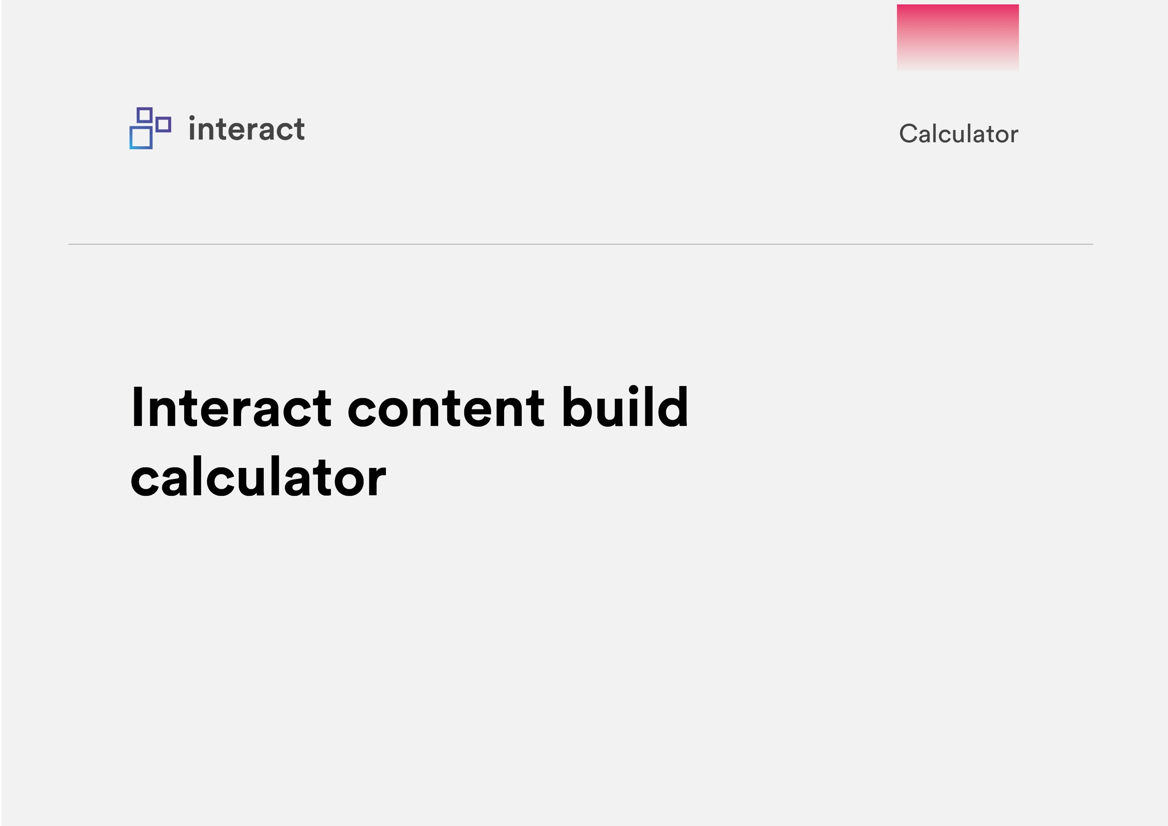

Instructions
Thanks for downloading the Interact Content Calculator. | Contents
Whether you are considering a new intranet or your project is already underway, the process of populating an intranet with content can be extensive. | Time.
This calculator will provide an estimate on how long it will take to review and migrate content to Interact, and how much resource this will require, ensuring you are fully prepared for this stage of your intranet project. | Know how much resource you have available, and want an indication of timescales? Use this tab to find out the time it will take to review, update & migrate your intranet content.
 | Resource.
Disclaimer: This calculator is based on real customer data. The potential results are calculated using average results seen by customers who are actively using our software and conducting intranet activities. Your actual results may vary. | Working to a deadline? Use this tab to find out how much resource you'll need to complete your content migration in a specific timeframe.

How to use this Content Calculator | Interact Build Estimator.
If you know how much resource you have available for content migration, go to our Time tab to work out how long content migration will take you. Alternatively if you're working to a deadline, use the Resource tab to get an idea of how many people you'll need to complete content migration within a specific timeframe. | Need support getting your intranet off the ground? Use this tab to calculate the number of build hours you'll need from Interact to create a determined number of pages. Or, use this tab to work out how many pages you can expect from your purchased build hours.
Not sure of the figures? No problem. Some averages from our own customers are included to get you started.

What is 'content'?

For the purpose of this calculator, when we refer to 'content', we are including any content in standard format that will be hosted on the intranet. This could be HTML pages, Word, PPT, PDF, Excel, Video files, etc. Each of these document represents a Page in Interact.

Content Migration: A 3 step process

Content migration typically falls into 3 distinct steps. Your resource and time requirements will be different for each step. When entering your information into the calculator, consider the different steps outlined below.

Step one: Preparing your content
Typically, your content will fall into one of two categories:
Ready to Go
This content is accurate and up-to-date, in the correct format/ template, and requires minimal review before being approved for the intranet.
Updates Required
This content needs to be updated or rewritten. Time estimates will vary widely based on each document, the person reviewing, whether a multi-step approval process is requrired, and formatting time. The estimate provided is conservative and represents an average amount of time per document.
Step two: Approving your content
Once your content has been updated or undergone an initial review, we assume a final review stage before that content is built on your Interact intranet. If your resource availability is different at this stage, enter this figure here.

Step three: Building your content
Your content is ready to go on your new Interact intranet! This stage estimates the time taken to build each document. If your resource availability is different at this stage, enter this figure here.

